LNG
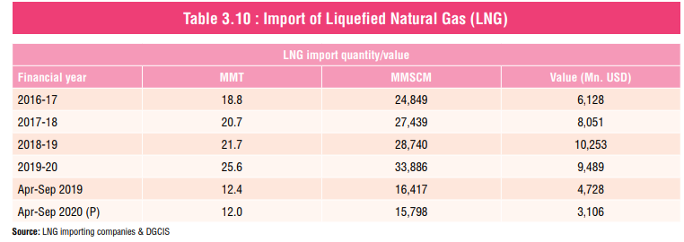
Import Quantity and Value of LNG in India
Financial Year | LNG Import Quantity (MMT) | Value (Million USD) | Price (USD/MT)
2019 | 21.7 | 10253 | 472
2020 | 25.6 | 9489 | 371

 |  |  |  | Source: | PPAC

